1 - INTRO to PoC Framework
LET'S CREATE SPACES FOR CHILDREN AND FAMILIES TO THRIVE

 | Proximity of Care Framework

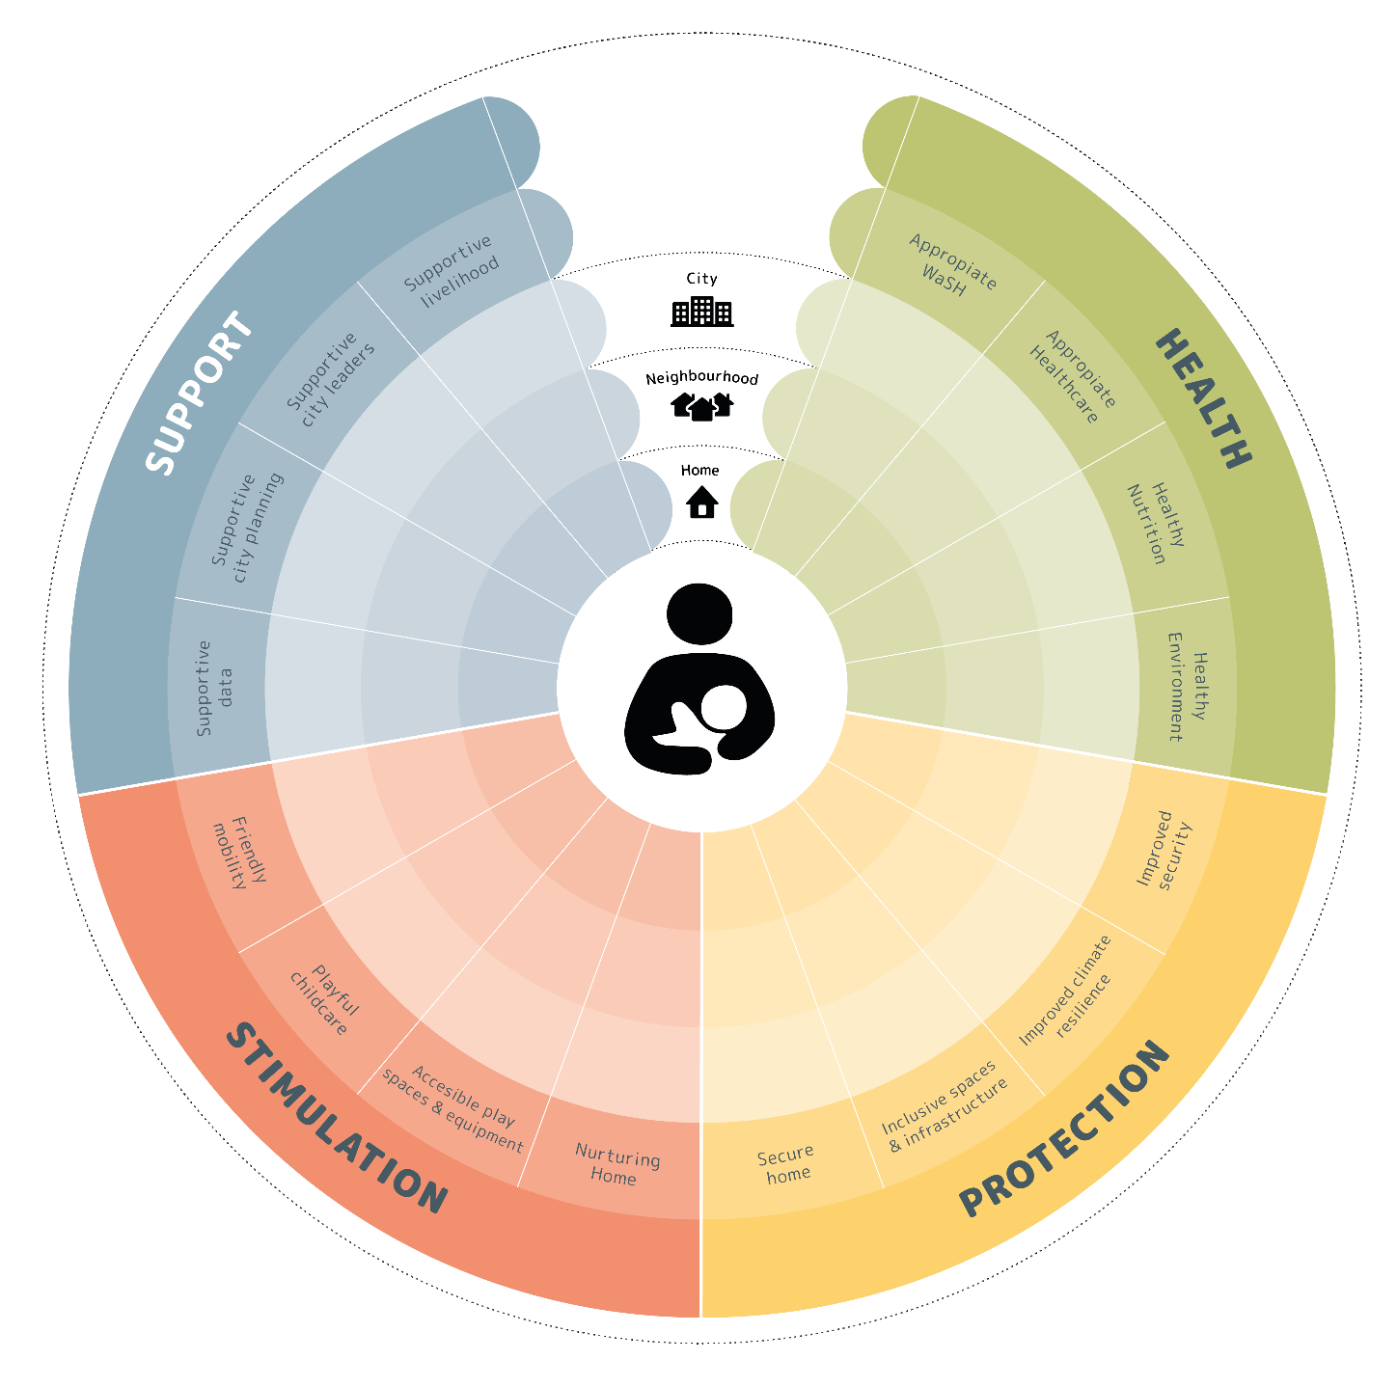
WHAT IT IS The Proximity of Care Framework is designed to enable a comprehensive assesment of the factors that contribute to making a project child and family-friendly, and to generate evidence that informs decisions about priority interventions.

DIMENSIONS & GOALS The Proximity of Care Framework includes four dimensions: health, protection, stimulation and support. Underlying each dimension are four goals, which are a more detailed description of what needs to be achieved within that dimension to respond to the needs of young children, caregivers and pregnant women living in cities. Health Healthy & Enriching Environment This dimension considers the factors that contribute to a good physical and mental health in the early years, examining how to improve health and development among young children, their caregivers, and pregnant women. The Goals underlying this dimension are: • Adequate WASH (water, sanitation and hygiene), waste facilities and services, considering different needs, ages and gender, as well as economic and socio-cultural conditions and behaviours • Adequate healthcare facilities, services and practices, considering different needs, ages and gender, as well as economic and socio-cultural conditions and behaviours • Adequate and healthy nutrition, considering different needs, ages and gender, as well as economic and socio-cultural conditions and behaviours • An environment that is green and healthy
Protection Safe & Secure Environment This dimension considers factors that contribute to a safe and secure environment for young children and their caregivers, determining how to manage risks, mitigate hazards and increase safety and inclusivity. It also details how to improve the perception of safety and security that caregivers experience and behaviours that influence their caregiving practices. The Goals underlying this dimension are: • Safe and protective home, public buildings and spaces • A secure and inclusive network of child-friendly spaces and infrastructure • Improved resilience to climate-related risk factors • Improved safety and security mechanisms and policy measures Stimulation Nurturing & Playful Environment This dimension considers factors that contribute to a nurturing and playful childhood, addressing how to enhance the quality of children’s interaction with caregivers, peers, other community members, and exploration of the physical space in their home, neighbourhood and city. The Goals underlying this dimension are: • Nurturing and playful home environment • Age inclusive, playful and accessible network of diverse play spaces and equipment • Accessible, playful and responsive childcare environment • Young child and caregiver-friendly streets and transport
Support Knowledgeable & Enabling Environment This dimension considers factors that contribute to a supportive early childhood environment, looking at how to enhance knowledge and support from city authorities, urban and early child development practitioners and community members. Giving children, caregivers and parents a voice in community decision-making and planning is also an important part of this dimension. The Goals underlying this dimension are: • The economy and community supporting families • City leaders prioritising early childhood development • Family-friendly city planning and legislation • Data management and communications that are age and gender sensitive
SCALES OF PROXIMITY The framework considers the interactions and relationships of young children, caregivers and pregnant women, at three primary scales of urban proximity and human interaction: home, neighbourhood and the whole city. Home The home environment is where the child lives and spends most of their time during the first years of life. It is a personal, intimate, and immediate space, where a young child should feel confident, be able to move freely and is likely to have the most support from and interaction with caregivers. The physical space of the home refers to the house, flat, shelter or compound, any associated space such as a garden or yard, and immediate street frontage. Neighbourhood The neighbourhood is where the child develops many spatial, motor, social, relational and communication skills while interacting with the community alongside a caregiver. It is a local, communal, public space, accessible from home. The physical space of the neighbourhood includes play areas, nurseries, schools, community centres, stores, markets, health facilities, and places of worship. It also includes streets, local transport, and connections between these spaces. City The city is a distributed, institutional and administrative space, distant from the home and generally not accessible by walking. This level includes regulatory and governance policies which impact early childhood development. The attitudes and decisions of city leaders and organisations will have significant effects on opportunities for promoting early childhood development. The physical space of the city includes infrastructure and public services provided at a city-wide level, workplace, health, leisure and economic centres or facilities outside of the immediate neighbourhood. The political and administrative centres and facilities that house city governance play a critical role in defining the policy and funding framework that helps shape a child’s experience of the city.

2 - HOW to use it
LET'S CREATE SPACES FOR CHILDREN AND FAMILIES TO THRIVE

 | Proximity of Care Framework
HOW TO USE IT The Framework can be used in each phase of the assessment process. + Desk-based baseline This is the initial step for understanding the location and community in focus, identifying key issues affecting early childhood development, and developing a database of key local stakeholders to engage. The Framework can guide the compilation of relevant secondary data and maps, generate a preliminary understanding of the site, and identify the key issues affecting early childhood development. + Site Visit This is an essential step to validate the desktop analysis, and to collect additional data to better understand early childhood challenges and opportunities in the selected site. The Framework can guide the compilation of relevant primary data, undertake a spatial analysis, and prioritise data to be collected as part of the engagement activities.
+ Stakeholder engagement and consultation The engagement with different stakeholders, including children, their caregivers, pregnant women, local authorities, practitioners and community members is essential to understand user experience, their perceptions and aspirations for the study area. The Framework can guide the compilation of relevant secondary data through the engagement of different stakeholders. + Measuring impact Data gathered in the assessment, set out an understanding of the study site and beneficiaries, and the existing opportunities and constraints for early childhood development. The Framework can be used to assess and deliver a consistent evaluation of the factors that influence early childhood development within the site. The Framework uses scores ranging between 1 and 5 to indicate how poorly or well a community performs against each indicator, where 1 indicates “least desired performance” and 5 indicates “desired performance”. A consolidated score by goals is presented to enable users to analyse results and assess the performance of the site against benchmarks. A set of supporting tools are available in the Proximity of Care Design Guide to collect primary data, undertake a spatial analysis, and prioritise data to be collected as part of the engagement activities.

3 - PoC Framework
LET'S CREATE SPACES FOR CHILDREN AND FAMILIES TO THRIVE
 |  |  | Proximity of Care Framework

DIMENSIONS Priorities for beneficiaries' wellbeing and optimal development | GOALS What needs to be achieved to create child- and family friendly places |  | FACTORS Areas / sectors where aspects of a child- and family friendly place can be observed
 |  |  |  |  | Qualitative Benchmarks at factor level [What good looks like] | Score each factor between 1 (desired performance); to 5 (least desired performance) | Consolidated performance per goal
HEALTH Healthy & Enriching Environment This dimension considers those factors that contribute to a healthy and enriching environment for optimal early childhood development, examining how to improve physical, mental, and emotional health and support cognitive development among young children, their caregivers, and pregnant women. At the household level, a healthy and enriching environment depends upon access to clean water, sanitation and waste disposal systems. Appropriate nutrition should be affordable and available for pregnant women, children and caregivers; hygiene practices and habits are in place; and healthcare services must be accessible to all. At the neighbourhood level, good air quality, low noise levels and clean waste-free neighbourhood are as important as accessible green space, reliable access to diverse, age-appropriate affordable sources of nutrition, and opportunities for physical exercising, exploration and play. Caregivers should have access to health prevention and support programmes. Health programmes for children should be close to home, in appropriate facilities. At the city level, accessible and affordable child-focused healthcare facilities and programmes, are as important as proper water and sanitation systems distribution and citywide pre-natal and hygiene education. There should be policies or programmes that ensure there is enough tree coverage and green spaces within the city that helps filtering the air and mitigate noise pollution, among other health-related services, programmes and actions | 1.1 | Adequate WaSH and waste facilities & services | 1.1.1 | Provision of reliable, safe, child-sensitive, accessible and affordable water and sanitation facilities | Water and sanitation facilities are reliable and physically available at or safely accessible within a reasonable distance from home at all times of day or night, and at pre-school and school facilities. They do not present physical and/or social barriers (gender or age related), and child-specific safety affordances are included in the design. If a paid service, it is within the means of family members. These facilities are under regular maintenance and renovation keeps the system working properly, especially during raining sessions. | 1 | 3.0
 |  |  | 1.1.2 | Presence of reliable drainage and sewerage system | A reliable drainage system is present throughout the neighbourhood. Excess water does not affect private or public assets, and flooding is prevented via a sound drainage system which is under regular maintenance and renovation. | 5
 |  |  | 1.1.3 | Reliable, accessible and affordable solid waste disposal and management services | Affordable and effective solid waste management (SWM) services are provided by government authorities, or community groups. Government implements impactful campaigns to promote and create awareness on the importance and benefits of effective SWM disposal and recycling. Waste management habits (including recycle and composting) are practiced at home. Waste disposal is consistently available at or near home, and safely accessible at all times of day or night. There are no physical and/or social barriers (gender- or age related) to access waste disposal facilities. | 3
 | 1.2 | Adequate healthcare facilities, services & practices | 1.2.1 | Availability of reliable, accessible and affordable pre-natal healthcare facilities & services | Prenatal healthcare facilities and services are available as an in-home or local service, and are accessible, without physical or social barriers. Prenatal healthcare services are provided, including at least 4 prenatal health visits, and are affordable for families and individuals regardless of class, affiliation, or formality. Emergency prenatal care is available at sufficient distribution and is accessible. | 1 | 2.7
 |  |  | 1.2.2 | Availability of reliable, accessible and affordable paediatric healthcare facilities & services | Paediatric healthcare facilities and services are available as an in-home or local service, and are accessible, without physical or social barriers. Paedistric healthcare services are affordable for families and individuals regardless of class, affiliation, or formality. Paediatric prenatal care is available at sufficient distribution and accessible. | 3
 |  |  | 1.2.3 | Measures and services to promote child-and caregivers focused healthy habits and support programmes in the community | Programmes, services and initiatives regarding healthy habits take into account prenatal care, early childhood development, holistic caregiver/parental prevention, and support regular check-ups at dedicated child clinics and education facilities. Good hygiene and healthy habits are practiced at home and at pre-school to keep children, pregnant women and caregivers healthy, including clean spaces and educational assets. | 4
 | 1.3 | Adequate & healthy nutrition | 1.3.1 | Access to secure, affordable & appropriate nutrition for children, pregnant women, and caregivers | Pregnant women and caregivers have reliable access to varied, sufficient nutrition without physical, economic, or social barriers. Appropriate calorie intake and nutrition for children is accessible by and affordable for caregivers. | 5 | 4.7
 |  |  | 1.3.2 | Availability of education resources for and practice of optimal nutrition for pregnant women and children, including for breastfeeding habits | Pregnant women have access to education about optimal nutrition. Women practice optimal breastfeeding habits, especially during the first six month of infants. Breastfeeding is supported by education programmes and policy, and there are adequate public facilities for safe breastfeeding without physical or social barriers to access. | 4
 |  |  | 1.3.3 | Policy and mechanisms to ensure availability and distribution of nutritious and diverse food | There are no physical, economic, or social barriers to adequate food for a variety of age ranges, and nutrition programmes are delivered through the community or educational assets regardless of class, affiliation or formality. Space to cultivate, buy or trade food is provided within or near the neighbourhood / community. | 5
 | 1.4 | Healthy & green environment | 1.4.1 | Sufficient coverage of well-maintained trees and green spaces | Tree and green coverage encompass more than 15% of the neighbourhood's area, and is equally distributed to accommodate all inhabitants regardless of class, affiliation or formality. Tree and green spaces are well-maintained and well-lit. | 1 | 3.7
 |  |  | 1.4.2 | Policy measures and community mechanisms to ensure healthy air quality | Air pollution mitigation measures are implemented in the neighbourhood, and encompass all inhabitants regardless of class, affiliation or formality. RSPM (Respirable Suspended Particulate Matter - Size less than 10 microns), is between 0 - 40 within the neighbourhood. City officials and community understand importance of green space and tree coverage to mental health of inhabitants and for reducing air pollution. | 5
 |  |  | 1.4.3 | Policy measures and community mechanisms to ensure healthy noise standards | Noise pollution reduction schemes are implemented in the neighbourhood and encompass all inhabitants regardless of class, affiliation or formality. Community has developed and enforced noise-reduction strategies such as traffic calming and quiet hours, with buy-in from community members. | 5
PROTECTION Safe & Secure Environment This dimension considers those factors that contribute to a safe and secure environment for optimal early childhood development, determining how to reduce risks, mitigate hazards and increase safety for children, and improve caregivers’ perception and experience of safety and security. At the household level, protection takes the form of an accident-resilient dwelling surrounded by safe physical environment, where the young child can receive nurturing, positive care from caregivers, free from toxic stress or domestic abuse and violence; inhabitants are secured against potential evictions. The shelter is safe, quiet, well-ventilated, solidly constructed and free from overcrowding. At the neighbourhood level, protection and security are enhanced by safe, clean, well-lit public areas and streets, child and gender-sensitive public infrastructure, and social protection. There are mechanisms in place to prevent crime, and the community has effective mechanisms in place to protect from violence, along with risk reduction programmes (from climate and human hazards). At the city level, governance can ensure protection and security through a humane justice system, policies towards informal settlements, eviction-protection measures, and by funding and supporting community- and city-level programmes to reduce crime and domestic violence. Actions and assessments help mitigate risk against climate- and human-led disasters, with presence of effective emergency services. | 2.1 | Secure and protective home | 2.1.1 | Safe home environment, resilient to natural and man-made hazards | Home environment is a secure and safe space. Shelter is solidly constructed from non-hazardous materials, provides sufficient protection from weather and temperature extremes; has sufficient space, light and ventilation; and provides quiet, private area for caregiver and child. Heating, cooking, and power systems are safe, pollution-free and accident-resilient. Dwellers are secured against potential evictions, and options exist to secure land tenure for all inhabitants. | 4 | 4.3
 |  |  | 2.1.2 | Presence of protective and reliable network of support for caregivers | Protective alternate caregivers are available for childcare, either vetted individuals or certified group/creche settings. They are accountable to parents/primary caregivers or community; are paid a sufficient wage; are trained and motivated to provide early chidlhood supportive care. | 4
 |  |  | 2.1.3 | Mechanisms for enhanced protection from violence and abuse against children | An effective legal system that protect children from potential abuse or violence is in place, including effective and accessible mechanisms to protect and prevent abuse against them. Caregivers are aware of and understand these mechanisms, and existing protocols, and education campaigns are available. | 5
 | 2.2 | Secure and inclusive network of child-friendly spaces and infrastructure | 2.2.1 | Provision of safe public and green spaces connected through safe routes | Public spaces, green areas, and play spaces are safe and connected to households through safe routes, which encourage active mobility (walking, running, cycling, scootering, skating, etc). State of roads is adequate, with plane surface allowing use of wheeled devices. Street area is equipped with adequate lighting facilities. | 3 | 3.0
 |  |  | 2.2.2 | Provision of safe and child-sensitive infrastructure and facilities | Public and private infrastructure and facilities include functional affordances for pregnant women, mothers and young children, including accessible bathrooms, diaper changing areas, and breastfeeding spaces both in public and private spaces. More than 50% of routes do have provision for resting points (i.e. benches). | 3
 |  |  | 2.2.3 | Presence of inclusive amenities and activities for pregnant women and caregivers | Presence of a range of diverse services and amenities for pregnant women and caregivers, that allow children to access different type of play and develop diverse abilities. | 3
 | 2.3 | Improved climate & risk resilience | 2.3.1 | Presence of hazards and climate risks in the area | Climate risks are minimal. Hazard events such are flooding, earthquakes, droughts or storms rarely affect the study area and/or have limited negative impact on local residents. | 5 | 5.0
 |  |  | 2.3.2 | Child-focused risk assessment and post-disaster management plans are in place | Emergency responses are well-planned at city and neighbourhood levels, with clear roles to effectively act and communicate actions following a potential disaster. Assessment data informs emergency, climate and hazards resilient adaptation and mitigation plans. Enforceable planning and building controls consider children's vulnerability and exposure to hazards. | 5
 |  |  | 2.3.3 | Mechanisms and clear communication to ensure effective accident prevention and emergency response | An Early Warning System and education campaigns are in place for ensuring everyone is aware of emergencies in a timely manner. City can rely upon trained teams for a timely and effective, emergency response in case of an unexpected natural or man-made accident or major event. There are plans and devices for fire evacuation. | 5
 | 2.4 | Improved security | 2.4.1 | Effective justice and safeguarding systems to protect from crime and violence | Crime and violence prevention/safeguarding measures and education programmes are available and include all inhabitants, regardless of class, affiliation or formality. City provides adequate police/security preventions and response, to protect from crime, violence and abuse. | 5 | 5.0
 |  |  | 2.4.2 | Mechanisms for enhanced security in public spaces | Presence of policy and programmes to enhance security in public spaces. Public spaces have passive methods of surveillance, with active frontages, well-lit areas, clear visual links and sight lines within the neighbourhood. Urban furniture and rest areas provide safe sightlines for caregivers & play access for children, without physical or social barriers to access. Public play equipment is well maintained, and materials are in safe state ensuring children security. | 5
 |  |  | 2.4.3 | Mechanisms for enhanced security in roads and public transportation | Planning policy include urban design principles to enhance security in roads and transportation. | 5
STIMULATION Nurturing & Playful Environment This dimension considers those factors that contribute to a nurturing and stimulating environment for optimal early childhood development, addressing how to enhance the quality of children’s interaction with caregivers, peers, other adults, and the physical space around them. At the household level, nurturing, positive relationships are key for children’s development. The house should have adequate equipment and space (indoor and outdoor) to engage in unstructured, challenging play; caregivers should have enough time to engage with children, and to balance their households’ routines. At the neighbourhood level, provision of safe and stimulating play areas, public spaces that encourage spontaneity and neighbour interaction, green spaces and well-maintained facilities with age-appropriate equipment and space both for children and caregivers, are key elements. There is a network of streets and safe sidewalks actively used as public space and for active mobility. At the city level, provision of policies and budget for quality, stimulating city-wide public childcare and pre-school programmes. Building, monitoring, and maintenance of public spaces, green areas and play spaces should be ensured by city operational teams. City recognises importance of road safety and traffic reduction measures. | 3.1 | Nurturing & stimulating household environment | 3.1.1 | Availability of trustworthy, reliable and nurturing caregivers at all times | Trustworthy caregivers are present and reliably available to young children at all times. They have adequate skills for infant care (e.g. new-born care, hygiene, food and nutrition, learning activities, role of parenting), and are aware of the importance of quality interaction and play with their children. They can spend quality time with children regularly, and have a good home-work blend balance. Their employer promotes family time and support as part of their policy. | 5 | 5.0
 |  |  | 3.1.2 | Presence in the house of adequate indoor and outdoor spaces for safe, unstructured play and exploration | The house offers adequate space for the child to freely move and explore and play, with safe access to outdoor clean environment for the child to explore. Children have enough time and diverse opportunities for unstructured and independent play. Peers / friends come home from time to time to play. | 5
 |  |  | 3.1.3 | Presence of adequate equipment and toys to encourage diverse play modes | Diverse types of materials, toys and books are available for children to interact with and develop different skills. The stimulation available is varied and age-appropriate. The child is able to alternate between different play modes during the day. | 5
 | 3.2 | Stimulating and accessible network of diverse play spaces and equipment | 3.2.1 | Presence of accessible and stimulating public spaces, green areas, and play spaces (indoor and outdoor) | Public spaces (indoor and outdoor), green areas, and play spaces are safe, well-lit, well-maintained and free from environmental, physical and social hazards. These areas are available to all residents without social or physical barriers to access, including for children with disabilities and caregivers with strollers. These spaces are clean and children are safe from contamination / rubbish; and they are maintained in a daily basis by the municipality or community groups. | 4 | 4.7
 |  |  | 3.2.2 | Public spaces, green areas, and play spaces have a high play value with age-appropriate equipment and space for caregivers and children interaction | Public spaces, green areas, and play spaces have a high play value with age-appropriate equipment and space for caregivers and children interaction. There are play elements that stimulate children to safely explore, climb objects and interact. Public open, green spaces and play areas are well-equipped for caregivers, for their interaction with peers and to interact with and observe children while playing. | 5
 |  |  | 3.2.3 | Provision of quality events and activities in public space for spontaneity and interaction | There are diverse and frequent events and activities in the neighbourhood or nearby that encourage children’s social interaction, play, stimulation and exploration. Recreational events and activities, when a paid service, are affordable. | 5
...

About this tool
LET'S CREATE SPACES FOR CHILDREN AND FAMILIES TO THRIVE

About this tool

This tool is distributed under a Creative Commons CC-BY-ND 4.0 License:
https://creativecommons.org/licenses/by/4.0/

You are free to:
Share — copy and redistribute the material in any medium or format
for any purpose, even commercially. The licensor cannot revoke these freedoms as long as you follow the license terms.
Under the following terms:
Attribution — You must give appropriate credit, provide a link to the license, and indicate if changes were made. You may do so in any reasonable manner, but not in any way that suggests the licensor endorses you or your use.
No Derivatives — If you remix, transform, or build upon the material, you may not distribute the modified material.
No additional restrictions — You may not apply legal terms or technological measures that legally restrict others from doing anything the license permits.
Proximity of Care, the Proximity of Care Framework, logo and associated content are © 2021 Arup, developed with support from the Bernard van Leer Foundation.

